Appendix 4
RADIOMETRIC Ar-Ar AGE DATES FOR PIRONGIA

Sample Information |  |  |  |  |  |  |  | Results |  |  | Plateau |  |  |  |  |  |  |  |  |  | Normal Isochron |  |  |  |  |  |  | Inverse Isochron |  |  |  |  |  |  |  | Total Fusion
Experiment | Sample | Experiment | Extraction | IGSN | Material | Location | Irradiation | Age | Age | Notes | Age | ± 2σ (i) | ± 2σ (f) | 39Ar | K/Ca | ± 2σ | MSWD | P | n | N | Age | ± 2σ (i) | ± 2σ (f) | 40Ar/36Ar | ± 2σ | MSWD | P | Age | ± 2σ (i) | ± 2σ (f) | 40Ar/36Ar | ± 2σ | SF | MSWD | P | Age | ± 2σ (i) | ± 2σ (f) | K/Ca | ± 2σ
Number | Name | Type | Method |  |  |  | Name (Position) | Type | Interpretation |  |  |  |  |  |  |  |  |  |  |  |  |  |  | intercept |  |  |  |  |  |  | intercept

18D18251 | PT6 | Incremental Heating | Bulk Laser Heating |  | Groundmass | Pirongia Volcano, Waikato | 18-OSU-04 (4C9-18) | Plateau | Eruption Age |  | 2418.0 | ± 4.6 ka | ± 54.8 ka | 53 % | 0.343 | ± 0.023 | 1.05 | 40 % | 11 | 32 | 2414.3 | ± 7.6 ka | ± 55.0 ka | 303.34 | ± 13.74 | 0.99 | 44 % | 2414.4 | ± 7.6 ka | ± 55.0 ka | 303.79 | ± 13.83 | 11 % | 1.01 | 43 % | 2455.1 | ± 4.4 ka | ± 55.6 ka | 0.326 | ± 0.000
18D25166 | PS3 | Incremental Heating | Bulk Laser Heating |  | Groundmass | Pirongia Volcano, Waikato | 18-OSU-04 (4C11-18) | Plateau | Eruption Age |  | 2396.0 | ± 4.9 ka | ± 54.3 ka | 66 % | 0.292 | ± 0.018 | 0.87 | 57 % | 12 | 32 | 2397.3 | ± 11.5 ka | ± 55.3 ka | 294.84 | ± 4.91 | 0.95 | 48 % | 2397.0 | ± 11.5 ka | ± 55.3 ka | 295.00 | ± 4.90 | 17 % | 0.95 | 48 % | 2420.1 | ± 4.8 ka | ± 54.8 ka | 0.244 | ± 0.001
18D25224 | PS2 | Incremental Heating | Bulk Laser Heating |  | Groundmass | Pirongia Volcano, Waikato | 18-OSU-04 (4C12-18) | Mini Plateau | Eruption Age |  | 2.48 | ± 0.01 Ma | ± 0.06 Ma | 26 % | 0.346 | ± 0.033 | 3.75 | 0 % | 5 | 32 | 2.49 | ± 0.01 Ma | ± 0.06 Ma | 268.27 | ± 16.76 | 1.28 | 28 % | 2.49 | ± 0.01 Ma | ± 0.06 Ma | 268.79 | ± 16.65 | 7 % | 1.26 | 28 % | 2.50 | ± 0.00 Ma | ± 0.06 Ma | 0.538 | ± 0.001
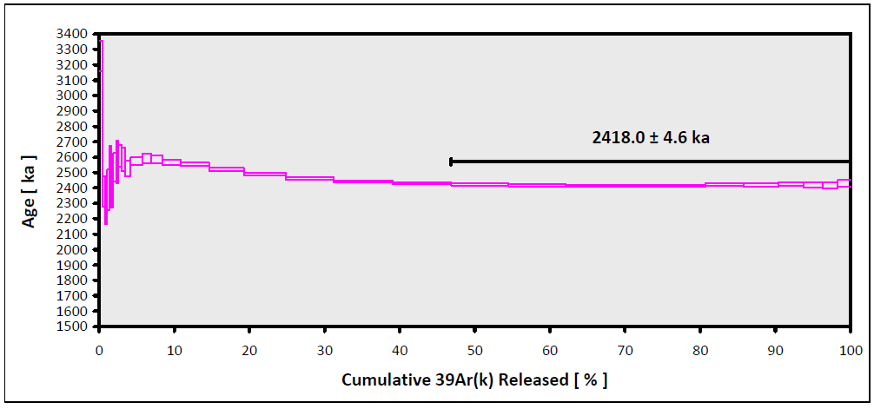

 |  |  |  |  |  |  |  |  |  |  |  | OSU Argon Geochronology Lab
 |  |  |  |  |  |  |  |  |  |  |  | CEOAS Oregon State University, Corvallis, USA

 |  |  |  |  |  |  |  |  |  | PT6

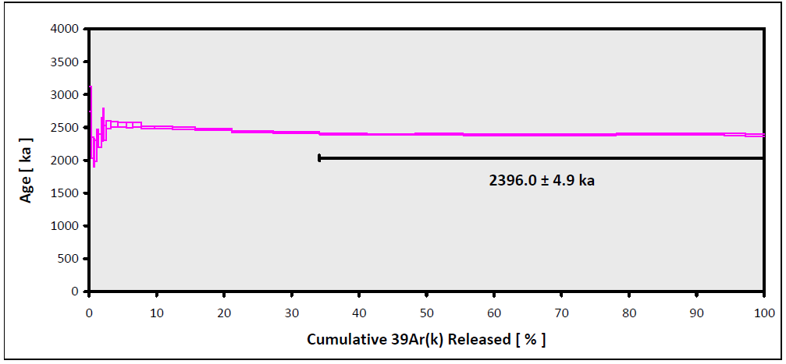

 |  |  |  |  |  |  |  |  |  | PS3

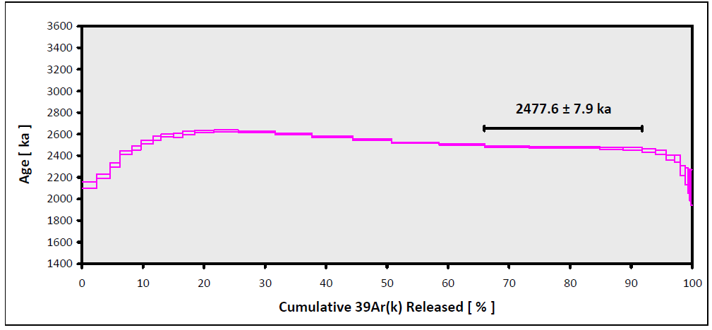

 |  |  |  |  |  |  |  |  |  | PS2

