U-Pb age summary (SM7)
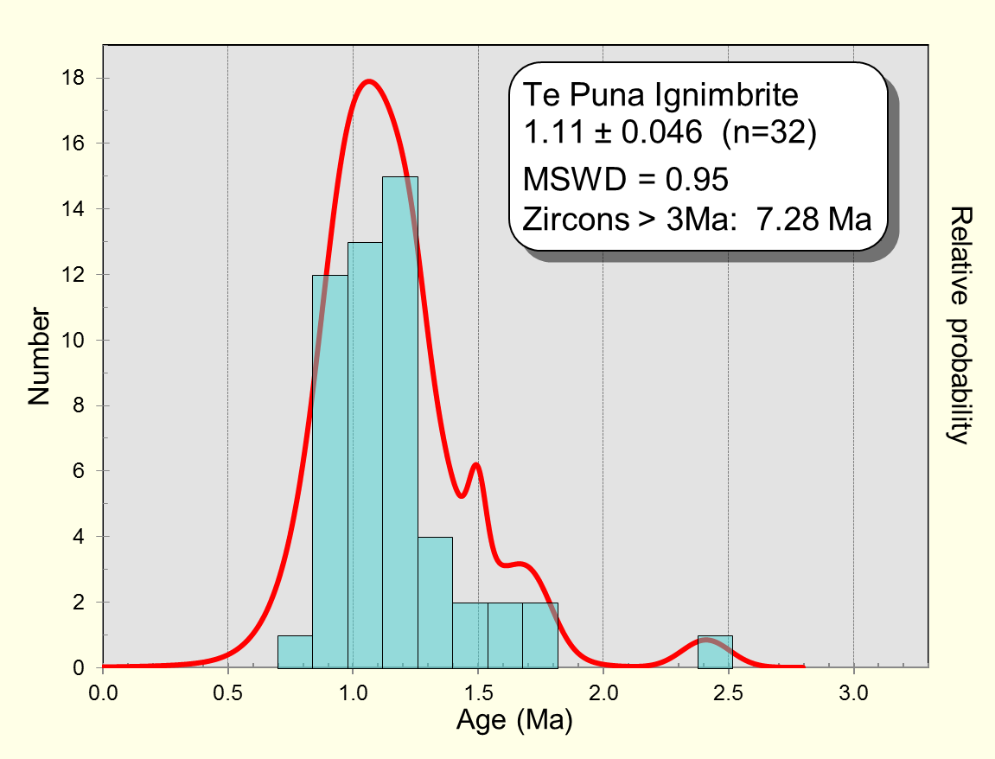
Sample No. | Formation | Location | TW concordia age | 2 sd error | MSWD | n | MSWD range | 207PB/206Pbo | mean f = (Th/Uzircon)/( Th/Umagma)
HP1 & 2 | Hikuroa Pumice Member | Darkys Spur Rd, Hawkes Bay | 2.13 | 0.029 | 1.02 | 48 | 0.61-1.41 | 0.836 | 0.183
WAI22 | Waiteariki Ignimbrite | Aongatete River, Tauranga | 2.18 | 0.031 | 1.06 | 54 | 0.61-1.39 | 0.836 | 0.142
WAI#2 | Waiteariki Ignimbrite | McLaren Falls, Tauranga | 2.09 | 0.029 | 1.2 | 49 | 0.6-1.4 | 0.836 | 0.142* | *Value from WAI22 used as no available glass data
Pap2 | Welcome Bay Ignimbrite, Papamoa Fmn | Rocky Cutting Road, Tauranga | 2.31 | 0.046 | 0.84 | 31 | 0.49-1.51 | 0.836 | 0.169
Pap1 | Wharo Ignimbrite, Papamoa Fmn | Welcome Bay Rd, Tauranga | 2.26 | 0.046 | 1 | 41 | 0.55-1.45 | 0.836 | 0.156
Pap4 | Arateka Ignimbrite, Papamoa Fmn | Waito Road, Tauranga | 2.25 | 0.044 | 1.1 | 36 | 0.52-1.48 | 0.836 | 0.193
Esk Mst-T2 | Est Mst tephra | Waikoau River, Hawkes Bay | 2.23 | 0.026 | 1.2 | 45 | 0.57-1.43 | 0.836 | 0.158
Esk Mst-T1 | Est Mst tephra | Waikoau River, Hawkes Bay | 2.22 | 0.088 | 0.8 | 47 | 0.59-1.41 | 0.836 | 0.221
TePu | TePuna Ignimbrite | TePuna Station Road, Tauranga | 1.11 | 0.046 | 0.95 | 32 | 0.5-1.5 | 0.836 | 0.168

Hikuroa Pumice |  |  | WAI22 |  |  |  |  |  |  |  |  | #2- McLaren Falls

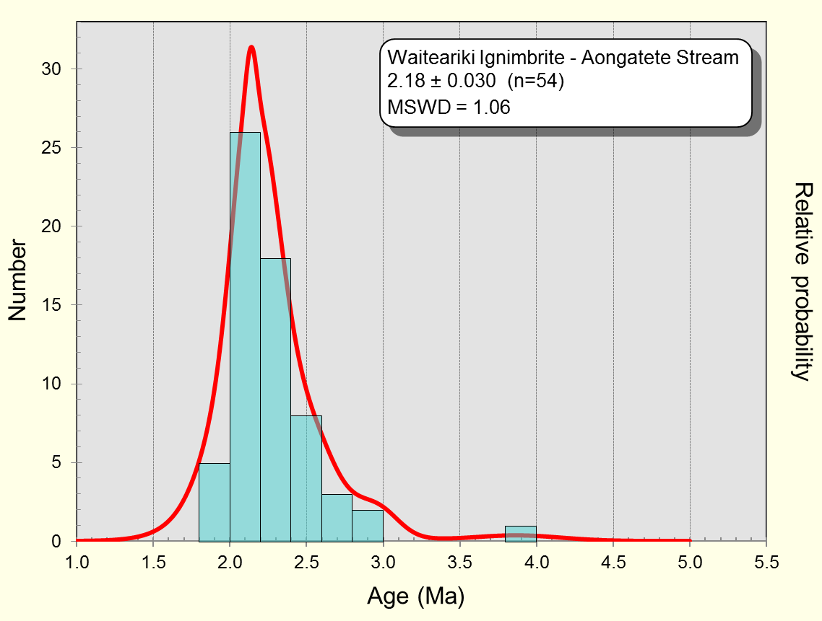

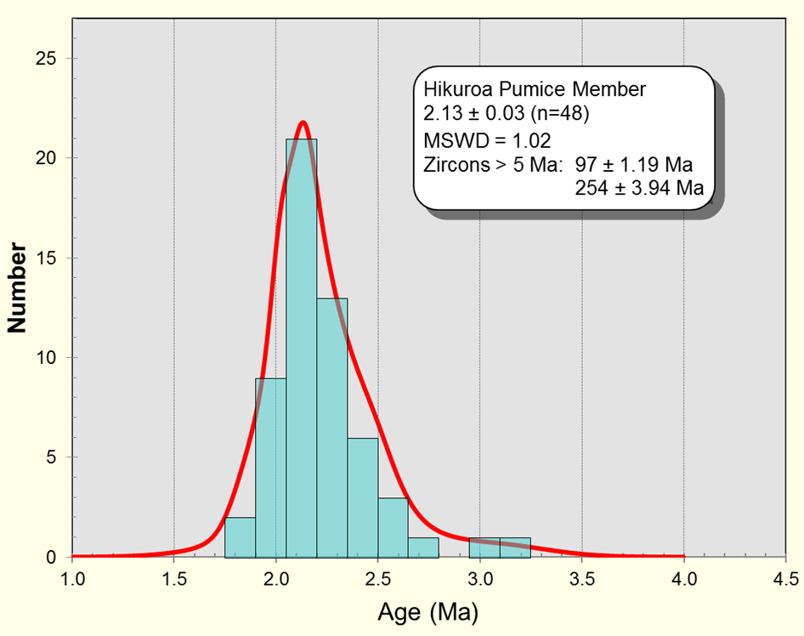
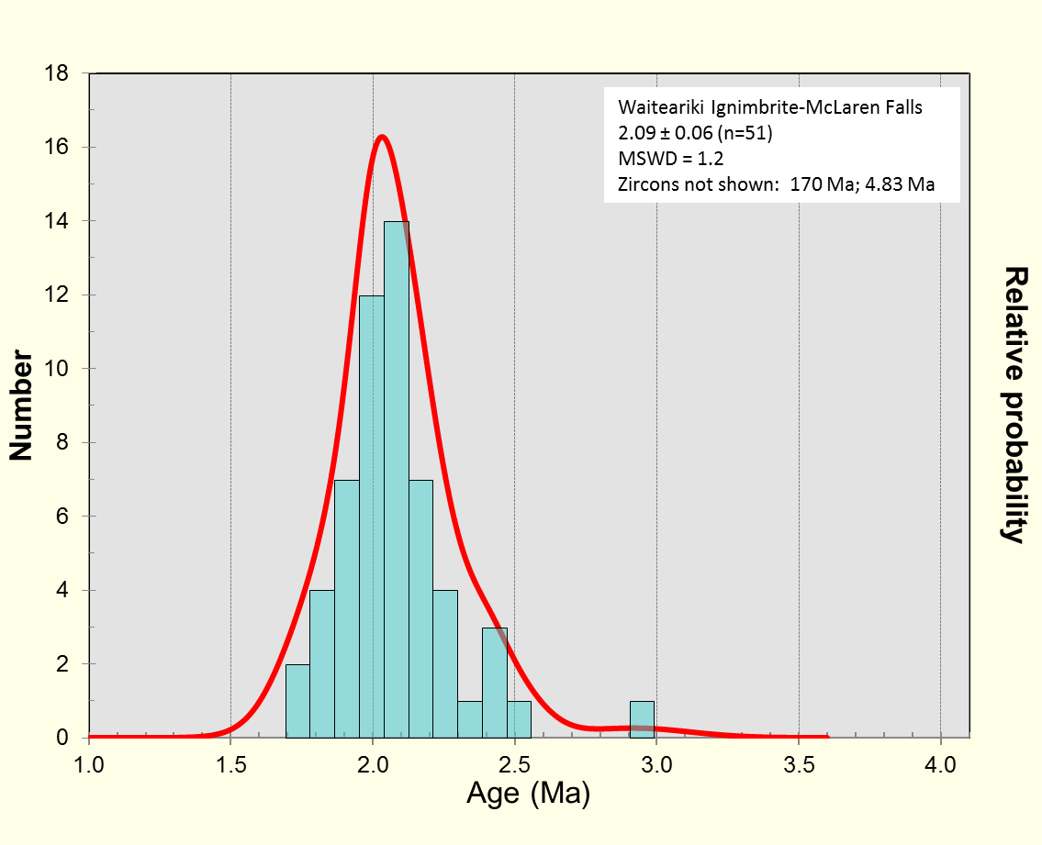

T2 (Est Mst tephra) |  |  | T1 (Est Mst tephra)

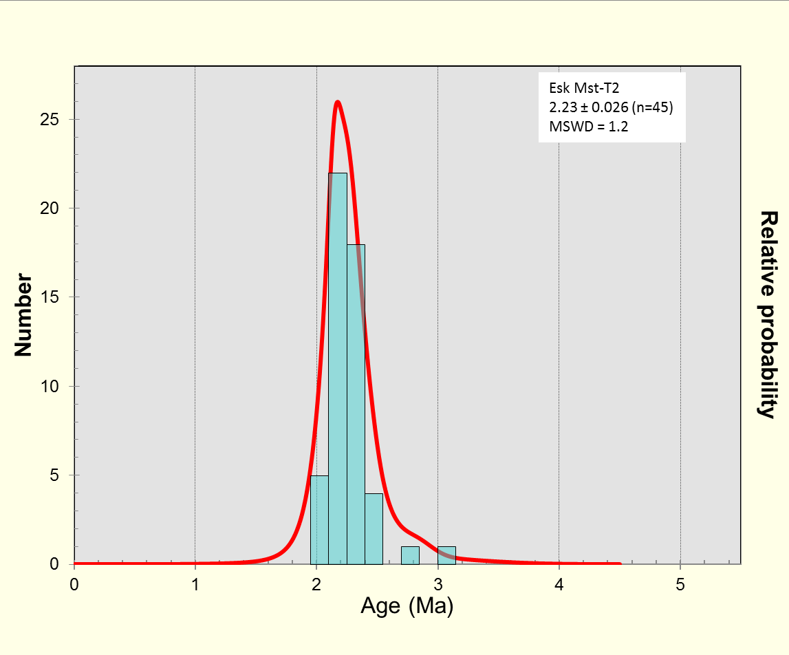
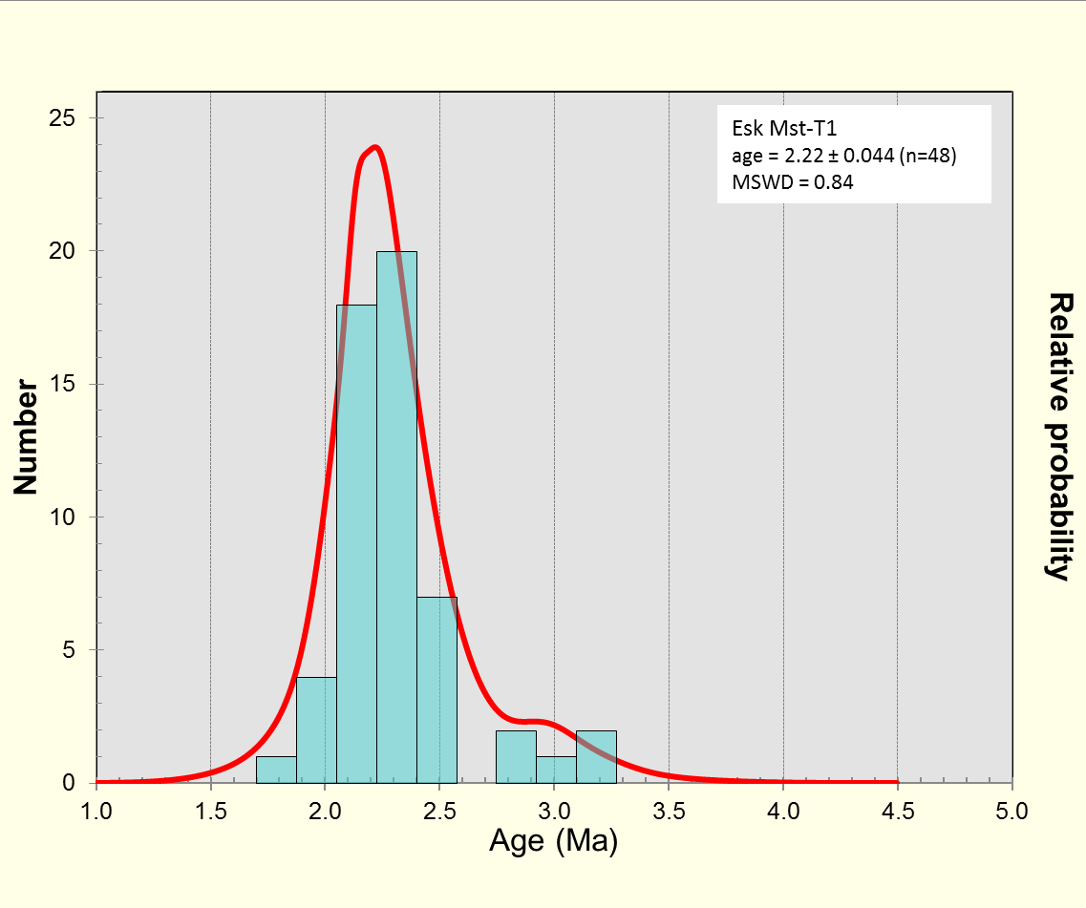
Esk Mst-T1
2.22 ± 0.08 (n=47)
MSWD = 0.8
Zircons not shown: 300 Ma; 197 Ma; 7.17 Ma

Wharo Ignimbrite - Papamoa Fmn |  |  | Arateka Ignimbrite - Papamoa Fmn |  |  |  |  |  |  |  | Welcome Bay Ignimbrite - Papamoa Fmn

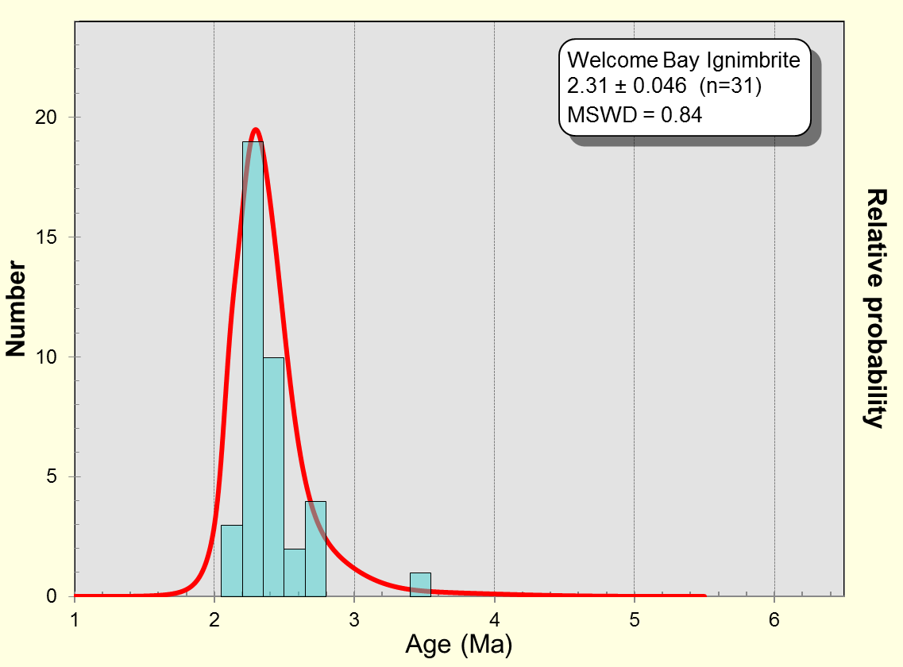
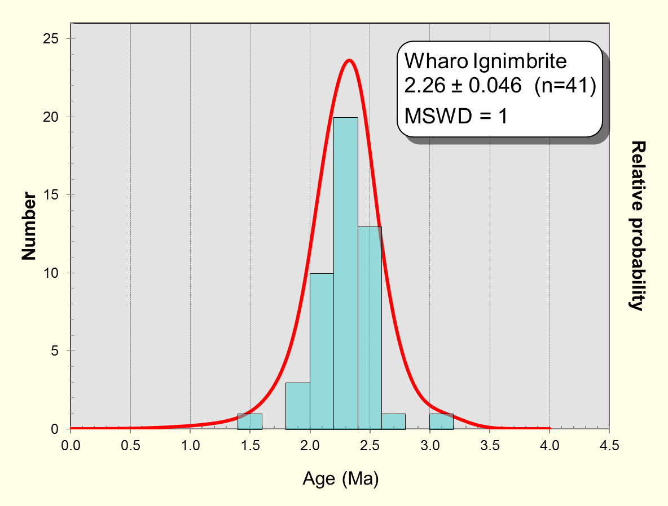
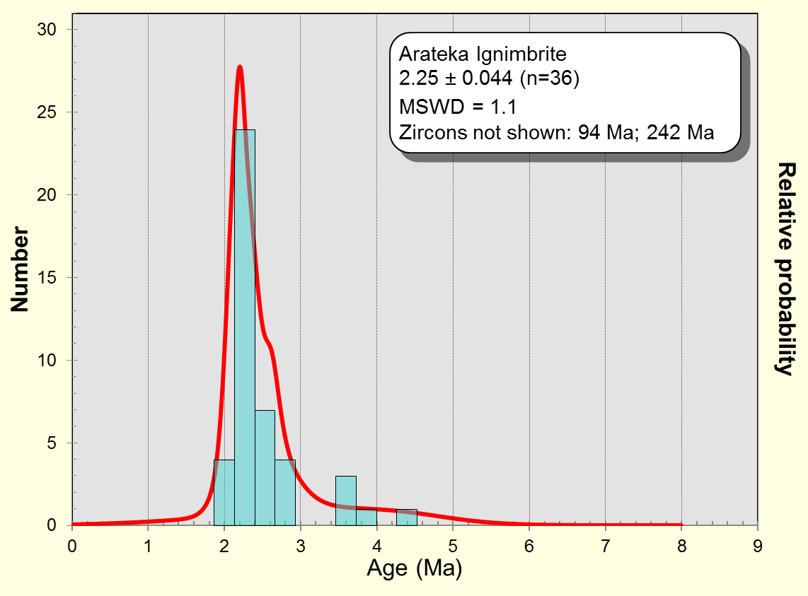

TePuna Ignimbrite

