Fig_3
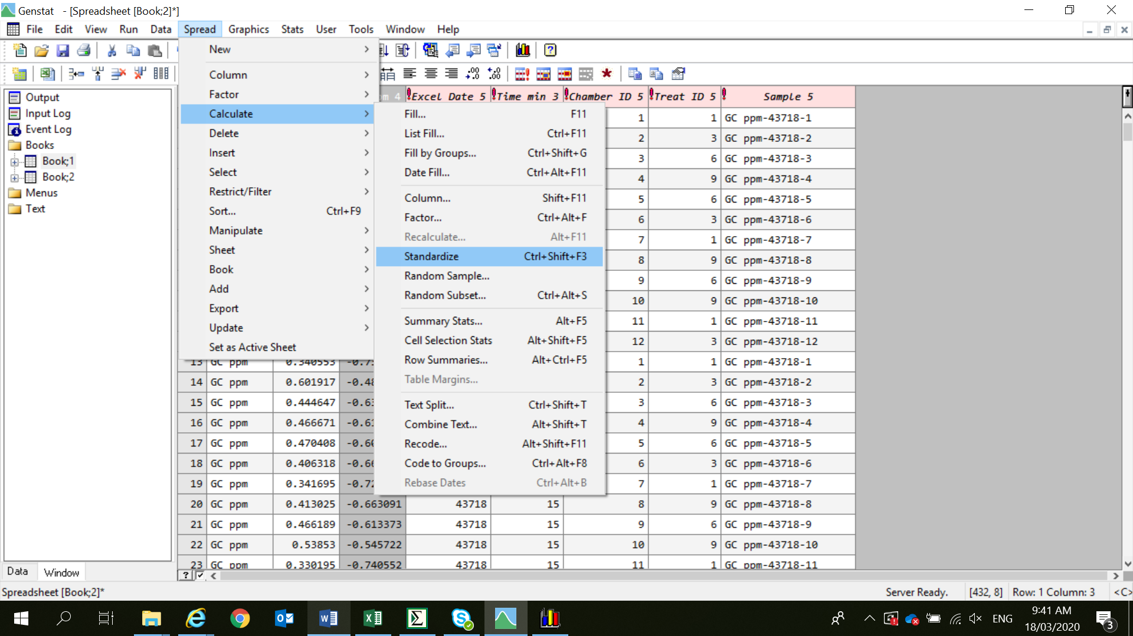
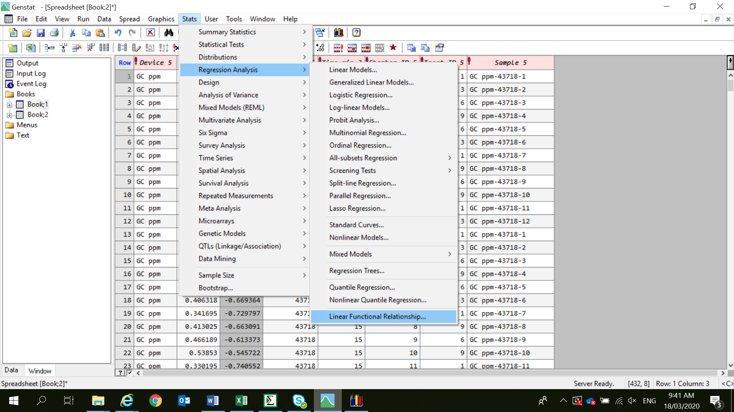
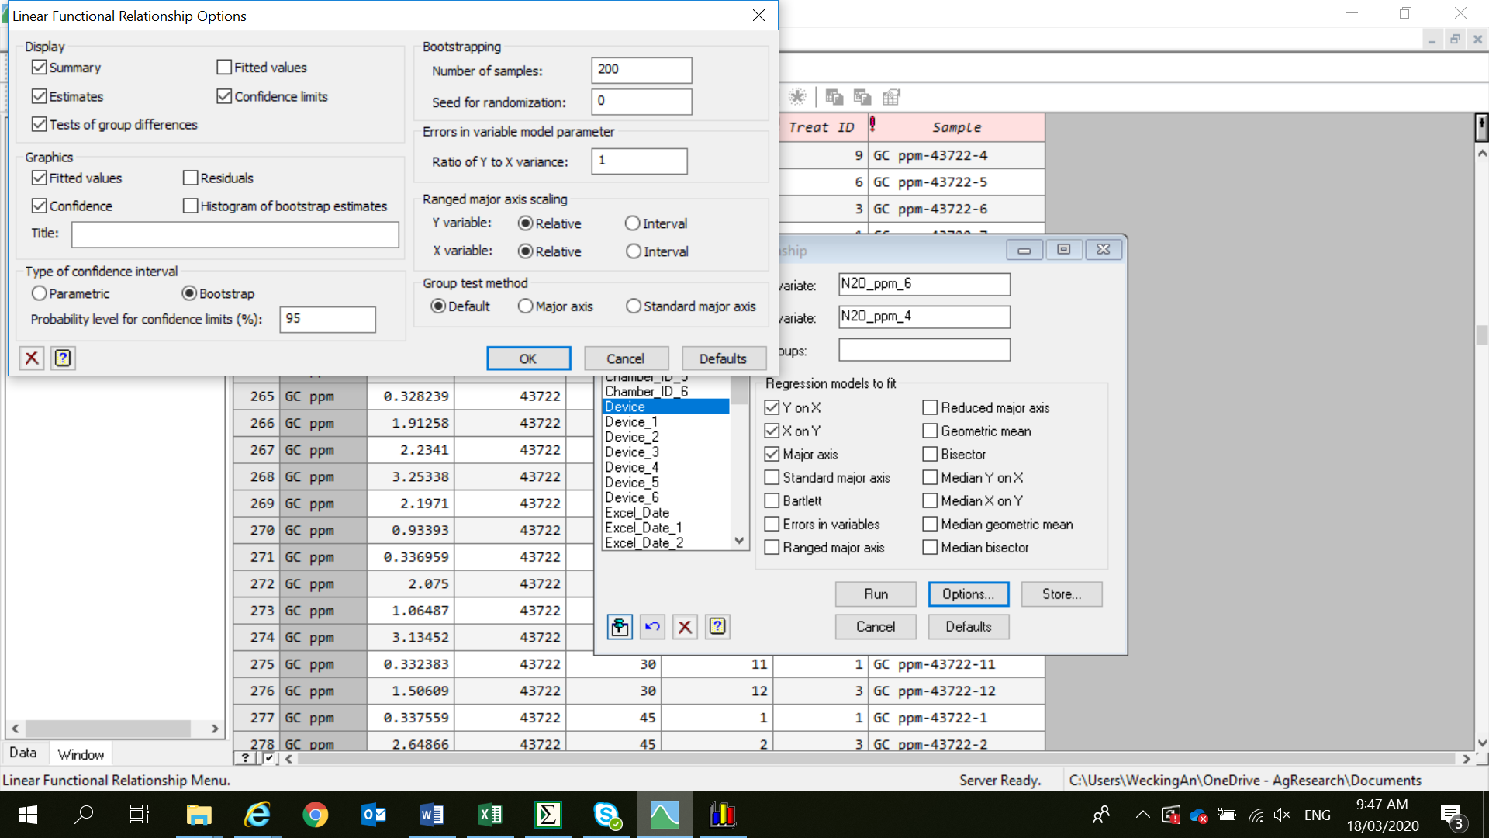
Figure 3 was created from N2O concentration (CN2O) and flux (FN2O) data as presented in the previous
worksheets of this Excel document

Please, note that all data were standardised following: | (X - mean) / standard deviation

For panel (c) and (d) of Figure 3, we only used data with Treat_ID 1 (i.e. from AN0 control sites)

Figures were subsequently generated in GenStat, see as presented in the screenshots below:
Results from the orthogonal regression analysis are futher provided in Tab. S4 of the supplementary material.

Fig_4
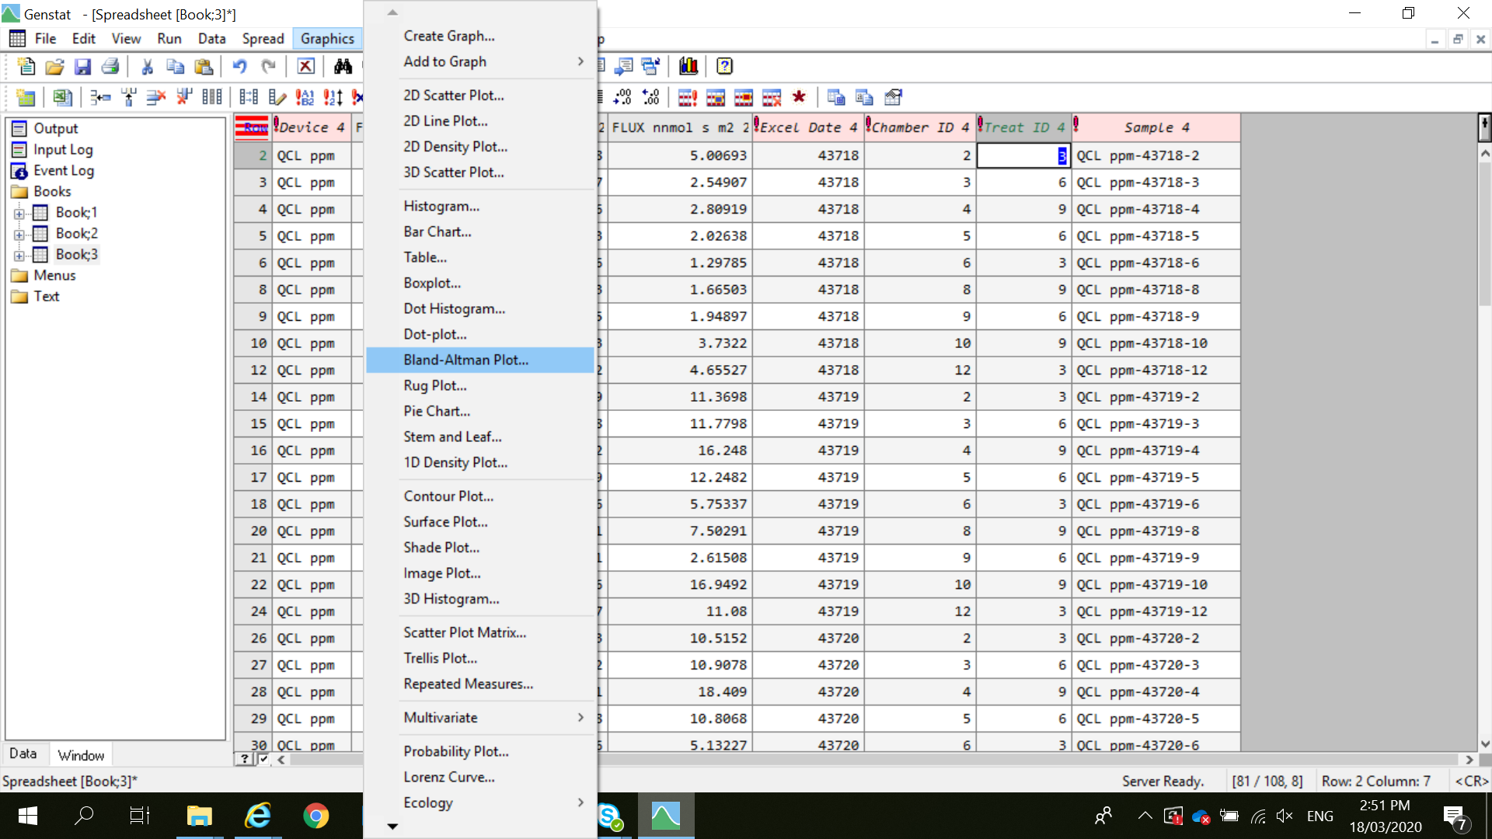
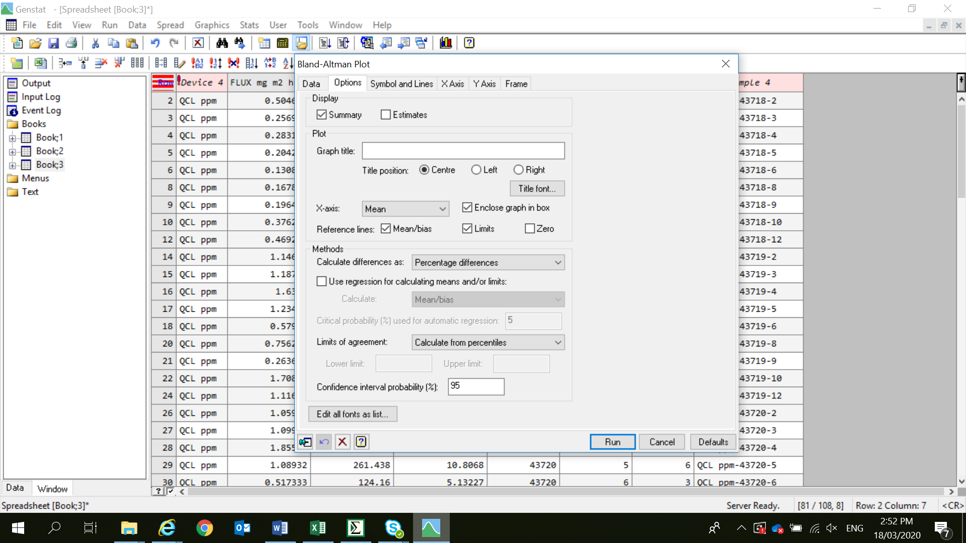
Figure 4 based on flux (FN2O) data as already presented in Excel Worksheet "Fig_2"
Data were plotted using GenStat. The principles of the data analysis, however, can also be found
in the supplementary material, Table S5, where a Bland Altman analysis was exemplified.

In contrast to Table S5, Figure 5 used FN2O from individual treatment replicates (see "Fig_2" Excel
Sheet) instead of treatments means.

X-axis = mean of method A (GC) and method B (QCL)
Y-axis = [((A-B)/mean)*100]

GenStat commands were applied as follows:

