Summary
Construction and Demolition Material Flow Analysis Data Base
A sub-project of Āmiomio Aotearoa: A circular economy for the wellbeing of New Zealand

Produced by:

Jacob Nelson
Grace Elliot
Kim Pickering
2020-06-30

The following document provides all of the data and estimates provided in the Material Flow Analysis Report.
The focus of the report and database were to assess and estimate material flow at four key stages of construction and demolition in NZ.
The data displayed in this database is focused on the material flow in residential construction and demolition.
The figure below summarises these stages:
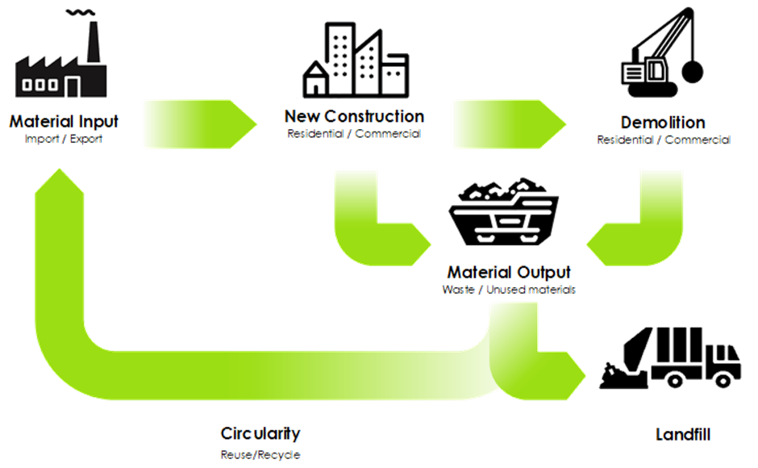

Where possible the material flow was estimated for the last 30 years (from 1991 to 2021), for every fifth year.
Where this was not possible estimates were made for the current state of the construction sector based on data produced in the last 5 years.

The following tabs provide estimates for material flow input and output from the construction sector in the highlighted stages of the C&D sector:
Material Input
New Construction
Demolition
Material Output
Consent data was heavily used for assumptions and calculations throughout the study and is shown in the following tabs:
Building Consents
Commercial Building Consents Detailed

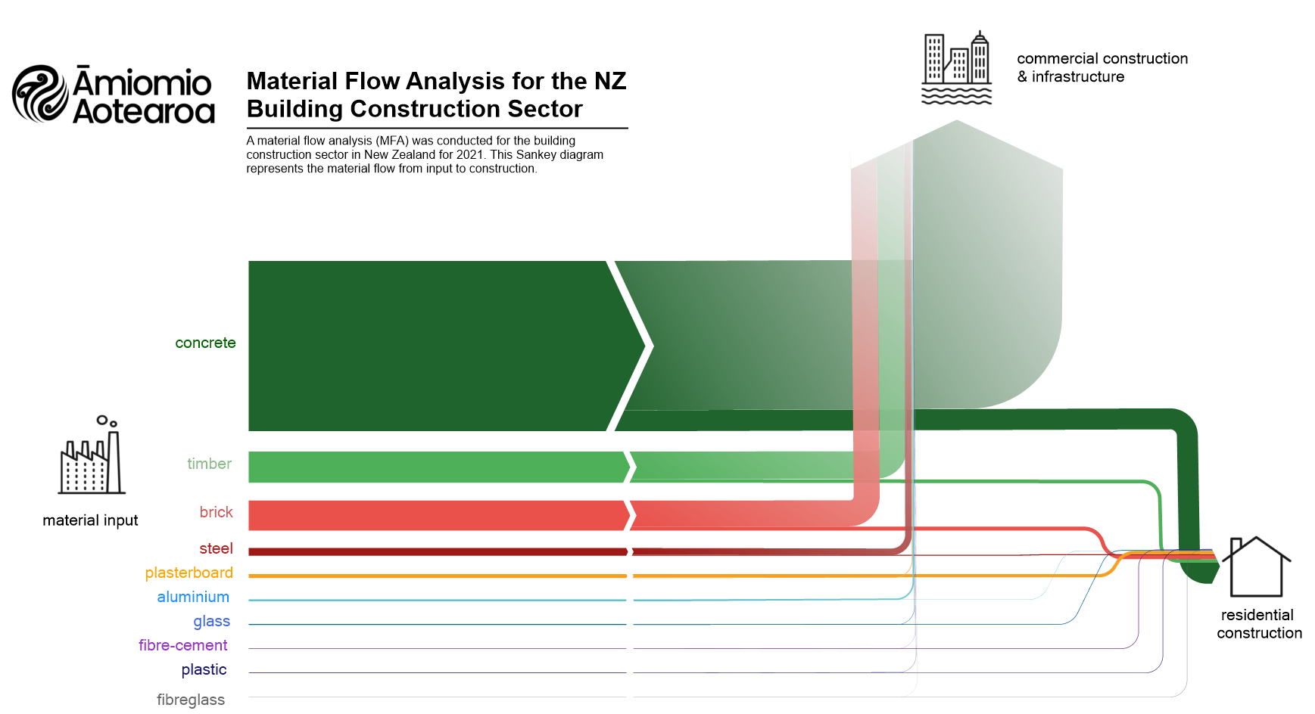
The findings of the report are shown in the following Sankey diagrams. Diagram A summarises the expected flow of material into the construction sector.
Diagram B summarises the flow of output materials from the residential construction sector.
A)

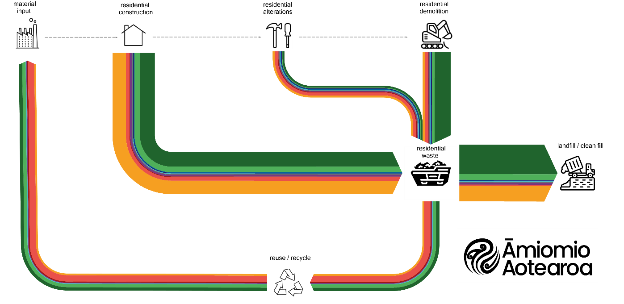
B)

Construction
Table of Contents
New residential dwelling consent data
Distribution of construction materials in new dwellings
Material estimation for LDH dwellings
Material estimation for MDH dwellings
Total quantity of materials 1991-2021
 | LDH | MDH | NZ Population
1991 | 12392 | 4974 | 3.495
1996 | 17284 | 5670 | 3.732
2001 | 15942 | 4748 | 3.88
2006 | 20082 | 5850 | 4.185
2011 | 11261 | 2632 | 4.384
2016 | 21310 | 8756 | 4.714
2021 | 25512 | 23195 | 5.123
 | LDH | MDH | LDH Avg | MDH Avg
1991 | 1893000 | 541000 | 153 | 109
1996 | 3159000 | 761000 | 183 | 134
2001 | 3123000 | 540000 | 196 | 114
2006 | 4307000 | 660000 | 214 | 113
2011 | 2350000 | 267000 | 209 | 101
2016 | 4447000 | 1024000 | 209 | 117
2021 | 4982000 | 2540000 | 195 | 109
New Residential Dwellings
 |  |  |  | Year (ending Dec)
 |  |  |  | 1991 | 1996 | 2001 | 2006 | 2011 | 2016 | 2021
Low Density Housing (LDH) | No. New Dwellings |  |  | 12,380 | 17,142 | 15,805 | 19,996 | 11,112 | 21,310 | 25,564
 | Average Floor Area (m²) |  |  | 153 | 184 | 198 | 215 | 212 | 209 | 195
 | Total Floor Area (m²) |  |  | 1,892,978 | 3,158,622 | 3,122,871 | 4,307,106 | 2,350,223 | 4,446,668 | 4,982,505
Medium Density Housing (MDH) | No. New Dwellings |  |  | 5,138 | 5,681 | 4,734 | 5,956 | 2,550 | 8,756 | 23,335
 | Average Floor Area (m²) |  |  | 105 | 134 | 114 | 111 | 105 | 117 | 109
 | Total Floor Area (m²) |  |  | 541,023 | 760,732 | 540,428 | 660,053 | 267,303 | 1,023,722 | 2,541,080
All Dwellings | No. New Dwellings |  |  | 17,518 | 22,823 | 20,539 | 25,952 | 13,662 | 30,066 | 48,899
 | Average Floor Area (m²) |  |  | 139 | 172 | 178 | 191 | 192 | 182 | 154
 | Total Floor Area (m²) |  |  | 2,434,001 | 3,919,354 | 3,663,299 | 4,967,159 | 2,617,526 | 5,470,390 | 7,523,585

Population (Mil) |  |  |  | 3.495 | 3.732 | 3.880 | 4.185 | 4.384 | 4.714 | 5.123

Distribution of Materials

 | Roof Cladding |  |  | Wall Cladding |  |  | Wall Framing |  | Flooring |  | Floor Joist |  | Insulation (wall, ceiling) |  | Insulation (timber floor) |  |  | Insulation (concrete slab)
Year | Sheet Metal | Tiles | Plastic/Membranes | Bricks | Timber | Fibre Cement/AAC/Stucco | Timber | Steel | Concrete | Timber | Timber | Steel | Fibreglass | Polyester | Polystyrene | Polyester | Foil | Polystyrene | = Taken as last known value (no data available)
1991 | 0.40 | 0.53 | 0.07 | 0.43 | 0.07 | 0.50 | 0.98 | 0.02 | 0.79 | 0.21 | 0.82 | 0.18 | 0.82 | 0.18 | 0.20 | 0.08 | 0.72 | 0.24
1996 | 0.40 | 0.53 | 0.07 | 0.43 | 0.07 | 0.50 | 0.98 | 0.02 | 0.79 | 0.21 | 0.82 | 0.18 | 0.82 | 0.18 | 0.20 | 0.08 | 0.72 | 0.24
2001 | 0.40 | 0.53 | 0.07 | 0.43 | 0.07 | 0.50 | 0.98 | 0.02 | 0.79 | 0.21 | 0.82 | 0.18 | 0.82 | 0.18 | 0.20 | 0.08 | 0.72 | 0.24
2002 | 0.40 | 0.53 | 0.07 | 0.43 | 0.07 | 0.50 | 0.98 | 0.02 | 0.79 | 0.21 | 0.82 | 0.18 | 0.82 | 0.18 | 0.20 | 0.08 | 0.72 | 0.24
2003 | 0.43 | 0.47 | 0.10 | 0.46 | 0.09 | 0.45 | 0.97 | 0.03 | 0.79 | 0.21 | 0.78 | 0.22 | 0.95 | 0.05 | 0.20 | 0.08 | 0.72 | 0.24
2004 | 0.49 | 0.38 | 0.13 | 0.46 | 0.12 | 0.42 | 0.96 | 0.04 | 0.79 | 0.21 | 0.70 | 0.30 | 0.94 | 0.06 | 0.20 | 0.08 | 0.72 | 0.24
2005 | 0.46 | 0.38 | 0.16 | 0.50 | 0.13 | 0.37 | 0.90 | 0.10 | 0.81 | 0.19 | 0.70 | 0.30 | 0.91 | 0.09 | 0.20 | 0.08 | 0.72 | 0.24
2006 | 0.45 | 0.42 | 0.13 | 0.51 | 0.14 | 0.35 | 0.91 | 0.09 | 0.81 | 0.19 | 0.64 | 0.36 | 0.94 | 0.06 | 0.20 | 0.08 | 0.72 | 0.24
2007 | 0.54 | 0.37 | 0.09 | 0.44 | 0.18 | 0.38 | 0.85 | 0.15 | 0.78 | 0.22 | 0.69 | 0.31 | 0.95 | 0.05 | 0.20 | 0.08 | 0.72 | 0.24
2008 | 0.47 | 0.36 | 0.17 | 0.43 | 0.19 | 0.38 | 0.86 | 0.14 | 0.73 | 0.27 | 0.69 | 0.31 | 0.94 | 0.06 | 0.32 | 0.05 | 0.63 | 0.38
2009 | 0.48 | 0.35 | 0.17 | 0.42 | 0.19 | 0.39 | 0.85 | 0.15 | 0.78 | 0.22 | 0.71 | 0.29 | 0.94 | 0.06 | 0.52 | 0.12 | 0.36 | 0.42
2010 | 0.53 | 0.39 | 0.08 | 0.46 | 0.20 | 0.34 | 0.90 | 0.10 | 0.81 | 0.19 | 0.69 | 0.31 | 0.96 | 0.04 | 0.65 | 0.13 | 0.22 | 0.45
2011 | 0.53 | 0.42 | 0.05 | 0.44 | 0.22 | 0.34 | 0.84 | 0.16 | 0.80 | 0.20 | 0.74 | 0.26 | 0.96 | 0.04 | 0.69 | 0.09 | 0.22 | 0.48
2012 | 0.49 | 0.43 | 0.08 | 0.45 | 0.23 | 0.32 | 0.87 | 0.13 | 0.80 | 0.20 | 0.79 | 0.21 | 0.96 | 0.04 | 0.34 | 0.37 | 0.29 | 0.49
2013 | 0.52 | 0.36 | 0.12 | 0.47 | 0.23 | 0.30 | 0.94 | 0.06 | 0.79 | 0.21 | 0.62 | 0.38 | 0.96 | 0.04 | 0.53 | 0.25 | 0.22 | 0.50
2014 | 0.53 | 0.38 | 0.09 | 0.38 | 0.24 | 0.38 | 0.94 | 0.06 | 0.77 | 0.23 | 0.71 | 0.29 | 0.97 | 0.03 | 0.13 | 0.25 | 0.62 | 0.63
2015 | 0.54 | 0.39 | 0.07 | 0.38 | 0.27 | 0.35 | 0.93 | 0.07 | 0.76 | 0.24 | 0.74 | 0.26 | 0.95 | 0.05 | 0.70 | 0.15 | 0.15 | 0.45
2016 | 0.56 | 0.32 | 0.12 | 0.35 | 0.27 | 0.38 | 0.92 | 0.08 | 0.77 | 0.23 | 0.75 | 0.25 | 0.94 | 0.06 | 0.66 | 0.26 | 0.08 | 0.63
2017 | 0.55 | 0.31 | 0.14 | 0.31 | 0.30 | 0.39 | 0.90 | 0.10 | 0.74 | 0.26 | 0.77 | 0.23 | 0.93 | 0.07 | 0.80 | 0.16 | 0.04 | 0.57
2018 | 0.70 | 0.24 | 0.06 | 0.28 | 0.25 | 0.47 | 0.94 | 0.06 | 0.69 | 0.31 | 0.73 | 0.27 | 0.93 | 0.07 | 0.85 | 0.15 | 0.00 | 0.61
2019 | 0.71 | 0.17 | 0.12 | 0.25 | 0.32 | 0.43 | 0.86 | 0.14 | 0.65 | 0.35 | 0.55 | 0.45 | 0.90 | 0.10 | 0.77 | 0.23 | 0.00 | 0.61
2020 | 0.71 | 0.17 | 0.12 | 0.25 | 0.32 | 0.43 | 0.86 | 0.14 | 0.65 | 0.35 | 0.55 | 0.45 | 0.90 | 0.10 | 0.77 | 0.23 | 0.00 | 0.61
2021 | 0.71 | 0.17 | 0.12 | 0.25 | 0.32 | 0.43 | 0.86 | 0.14 | 0.65 | 0.35 | 0.55 | 0.45 | 0.90 | 0.10 | 0.77 | 0.23 | 0.00 | 0.61

Material Quantity Estimation

Year | LDH/MDH | Material Category |  |  | Material Type |  |  | Area (m²) | Thickness (m) |  | Density (kg/m³) or Mass (kg/m²) |  | Mass (kg) | Mass (T) | Material Distribution | All Houses (T) | Total (T)

2021 | Low Density Housing (LDH) | Concrete & Masonry |  |  | Roof Tiles |  |  | 252 | - |  | 55 |  | 13,839 | 13.84 | 0.17 | 60,142 | 1,000,245
 |  |  |  |  | Brick Cladding |  |  | 131 | 0.07 |  | 1,679 |  | 15,348 | 15.35 | 0.25 | 98,087
Floor Area |  |  |  |  | Pile Foundation Footings |  |  | - | - |  | - |  | 7,236 | 7.24 | 0.35 | 64,745
195 |  |  |  |  | Concrete Flooring |  |  | 195 | 0.10 |  | 2,400 |  | 46,777 | 46.78 | 0.65 | 777,271
No. Dwellings |  | Timber |  |  | Wall Cladding |  |  | 131 | 0.015 |  | 510 |  | 999 | 1.00 | 0.32 | 8,236 | 139,233
25564 |  |  |  |  | Wall Framing - Internal |  |  | 168 | - |  | 8.01 |  | 1,342 | 1.34 | 0.86 | 62,020
 |  |  |  |  | Wall Framing - External |  |  | 170 | - |  | 8.72 |  | 1,479 | 1.48
 |  |  |  |  | Truss |  |  | - | - |  | - |  | 1,969.74 | 1.97 | 0.86 | 43,305
 |  |  |  |  | Flooring |  |  | 195 | 0.015 |  | 9.90 |  | 1,930 | 1.93 | 0.35 | 17,264
 |  |  |  |  | Pile Foundations |  |  | - | - |  | 460 |  | 304 | 0.30 | 0.35 | 2,720
 |  |  |  |  | Subfloor |  |  | 195 | - |  | 5.93 |  | 1,156 | 1.16 | 0.19 | 5,688
 |  | Metals |  |  | Roof Cladding |  |  | 252 | 0.00048 |  | 10,000 |  | 1,195 | 1.20 | 0.71 | 21,693 | 49,538
 |  |  |  |  | Wall Framing - Internal |  |  | 168 | - |  | 5.18 |  | 869 | 0.87 | 0.14 | 6,255
 |  |  |  |  | Wall Framing - External |  |  | 170 | - |  | 5.18 |  | 879 | 0.88
 |  |  |  |  | Truss |  |  | - | - |  | - |  | 749 | 0.75 | 0.14 | 2,680
 |  |  |  |  | Steel Subfloor |  |  | 195 | - |  | 2.92 |  | 569 | 0.57 | 0.16 | 2,291
 |  |  |  |  | Concrete Slab Reinforcing |  |  | 195 | - |  | 2.27 |  | 442 | 0.44 | 0.65 | 7,352
 |  |  |  |  | Foil Insulation |  |  | 195 | - |  | 0.27 |  | 53 | 0.05 | 0.00 | 0
 |  |  |  |  | Aluminium Window Framing |  |  | 195 | - |  | 1.86 |  | 363 | 0.36 | 1.00 | 9,267
 |  | Plastic |  |  | Roof Cladding |  |  | 252 | - |  | 4.5 |  | 1,132 | 1.13 | 0.12 | 3,473 | 23,253
 |  |  |  |  | Polystyrene Floor Insulation |  |  | 195 | 0.06 |  | 12.0 |  | 2,339 | 2.34 | 0.27 | 17,694
 |  |  |  |  |  |  |  |  | 0.05 |  | 16.0 |  | 156 | 0.16 | 0.40
 |  |  |  |  | Polyester Floor Insulation |  |  | 195 | 0.10 |  | 7.5 |  | 146 | 0.15 | 0.08 | 301
 |  |  |  |  | Polyester Wall Insulation |  |  | 131 | 0.12 |  | 17 |  | 251 | 0.25 | 0.10 | 1,785
 |  |  |  |  | Polyester Ceiling Insulation |  |  | 195 | 0.18 |  | 13 |  | 447 | 0.45
 |  | Glass |  |  | Windows |  |  | 39 | 0.0045 |  | 2,500 |  | 877 | 0.88 | 1.00 | 22,421 | 22,421
 |  | Plasterboard |  |  | Internal Wall Linings |  |  | 651 | - |  | 6.5 |  | 4,230 | 4.23 | 1.00 | 108,132 | 108,132
 |  | Fibreglass |  |  | Ceiling Insulation |  |  | 195 | 0.18 |  | 7.4 |  | 260 | 0.26 | 0.90 | 9,029 | 9,029
 |  |  |  |  | Wall Insulation |  |  | 131 | 0.09 |  | 11.3 |  | 133 | 0.13
 |  | Fibre-Cement |  |  | Wall Cladding |  |  | 131 | - |  | 13.6 |  | 1,776 | 1.78 | 0.43 | 19,409 | 19,409
2021 | Medium Density Housing (MDH) | Concrete & Masonry |  |  | Roof Tiles |  |  | 141 | - |  | 55 |  | 7,732 | 7.73 | 0.17 | 30,672 | 522,717
 |  |  |  |  | Brick Cladding |  |  | 73 | 0.07 |  | 1,679 |  | 8,575 | 8.57 | 0.25 | 50,024
Floor Area |  |  |  |  | Pile Foundation Footings |  |  | - | - |  | - |  | 5,585 | 5.58 | 0.35 | 45,611
109 |  |  |  |  | Concrete Flooring |  |  | 109 | 0.10 |  | 2,400 |  | 26,135 | 26.13 | 0.65 | 396,408
No. Dwellings |  | Timber |  |  | Wall Cladding |  |  | 73 | 0.015 |  | 510 |  | 558 | 0.56 | 0.32 | 4,200 | 69,044
23335 |  |  |  |  | Wall Framing - Internal |  |  | 94 | - |  | 8.01 |  | 750 | 0.75 | 0.86 | 31,630
 |  |  |  |  | Wall Framing - External |  |  | 95 | - |  | 8.72 |  | 826 | 0.83
 |  |  |  |  | Truss |  |  | - | - |  | - |  | 1,101 | 1.10 | 0.86 | 22,085
 |  |  |  |  | Flooring |  |  | 109 | 0.015 |  | 500 |  | 817 | 0.82 | 0.35 | 6,670
 |  |  |  |  | Pile Foundations |  |  | - | - |  | - |  | 218 | 0.22 | 0.35 | 1,779
 |  |  |  |  | Subfloor |  |  | 109 | - |  | 5.48 |  | 596 | 0.60 | 0.19 | 2,679
 |  | Metals |  |  | Roof Cladding |  |  | 141 | 0.00048 |  | 10,000 |  | 668 | 0.67 | 0.71 | 11,063 | 25,264
 |  |  |  |  | Wall Framing - Internal |  |  | 94 | - |  | 5.18 |  | 485 | 0.49 | 0.14 | 3,190
 |  |  |  |  | Wall Framing - External |  |  | 95 | - |  | 5.18 |  | 491 | 0.49
 |  |  |  |  | Truss |  |  | - | - |  | - |  | 418 | 0.42 | 0.14 | 1,367
 |  |  |  |  | Steel Subfloor |  |  | 109 | - |  | 2.92 |  | 318 | 0.32 | 0.16 | 1,168
 |  |  |  |  | Concrete Slab Reinforcing |  |  | 109 | - |  | 2.27 |  | 247 | 0.25 | 0.65 | 3,749
 |  |  |  |  | Foil Insulation |  |  | 109 | - |  | 0.27 |  | 29 | 0.03 | 0.00 | 0
 |  |  |  |  | Aluminium Window Framing |  |  | 109 | - |  | 1.86 |  | 203 | 0.20 | 1.00 | 4,726
 |  | Plastic |  |  | Roof Cladding |  |  | 141 | - |  | 4.5 |  | 633 | 0.63 | 0.12 | 1,771 | 4,134
 |  |  |  |  | Polystyrene Floor Insulation |  |  | 109 | 0.06 |  | 12.0 |  | 78 | 0.08 | 0.27 | 1,299
 |  |  |  |  |  |  |  |  | 0.05 |  | 16.0 |  | 87 | 0.09 | 0.40
 |  |  |  |  | Polyester Floor Insulation |  |  | 109 | 0.10 |  | 7.5 |  | 82 | 0.08 | 0.08 | 153
 |  |  |  |  | Polyester Wall Insulation |  |  | 73 | 0.12 |  | 17 |  | 140 | 0.14 | 0.10 | 910
 |  |  |  |  | Polyester Ceiling Insulation |  |  | 109 | 0.18 |  | 13 |  | 250 | 0.25
 |  | Glass |  |  | Windows |  |  | 22 | 0.0045 |  | 2,500 |  | 490 | 0.49 | 1.00 | 11,435 | 11,435
 |  | Plasterboard |  |  | Internal Wall Linings |  |  | 364 | - |  | 6.5 |  | 2,365 | 2.36 | 1.00 | 55,180 | 55,180
 |  | Fibreglass |  |  | Ceiling Insulation |  |  | 109 | 0.18 |  | 7.4 |  | 145 | 0.15 | 0.90 | 4,605 | 4,605
 |  |  |  |  | Wall Insulation |  |  | 73 | 0.09 |  | 11.3 |  | 74 | 0.07
 |  | Fibre-Cement |  |  | Wall Cladding |  |  | 73 | - |  | 13.6 |  | 992 | 0.99 | 0.43 | 9,898 | 9,898

Total quantity of materials 1991-2021
 | *NB: These values do not update with the above table. Correct as at 29/06/2022.

 |  |  | 1991 | 1996 | 2001 | 2006 | 2011 | 2016 | 2021
 | Concrete & Masonry |  | 658,131 | 1,055,823 | 986,321 | 1,348,563 | 690,951 | 1,334,385 | 1,522,961
 |  | Tiles | 91,596 | 147,493 | 137,857 | 148,129 | 78,059 | 124,294 | 90,815
 |  | Bricks | 82,416 | 132,711 | 124,041 | 199,481 | 90,692 | 150,768 | 148,111
 |  | Concrete | 484,119 | 775,619 | 724,423 | 1,000,954 | 522,201 | 1,059,323 | 1,284,035
 | Timber |  | 67,671 | 108,910 | 101,879 | 128,657 | 65,197 | 150,801 | 208,278
 | Metal |  | 15,854 | 25,529 | 23,861 | 38,980 | 23,922 | 45,073 | 74,802
 |  | Steel | 11,227 | 18,079 | 16,898 | 29,558 | 19,022 | 34,871 | 60,808
 |  | Aluminium | 4,627 | 7,450 | 6,963 | 9,422 | 4,900 | 10,202 | 13,994
 | Plastic |  | 3,929 | 6,380 | 6,044 | 7,630 | 5,893 | 15,569 | 27,387
 |  | Polyester | 1,600 | 2,576 | 2,408 | 1,124 | 410 | 1,421 | 3,149
 |  | Polystyrene | 1,340 | 2,209 | 2,146 | 2,755 | 4,723 | 10,335 | 18,993
 |  | Sheet | 990 | 1,594 | 1,490 | 3,751 | 760 | 3,814 | 5,245
 | Glass |  | 7,119 | 11,464 | 10,715 | 14,529 | 11,779 | 24,617 | 33,856
 | Plasterboard |  | 52,652 | 85,054 | 79,531 | 107,948 | 56,868 | 118,854 | 163,312
 | Fibreglass |  | 4,018 | 6,471 | 6,048 | 9,401 | 5,059 | 10,353 | 13,633
 | Fibre-cement |  | 11,045 | 17,785 | 16,623 | 15,986 | 8,033 | 18,762 | 29,307
 | Total |  | 820,420 | 1,317,415 | 1,231,022 | 1,671,694 | 867,702 | 1,718,414 | 2,073,537

 |  | = Totals

Material Output
Table of Contents
MfE estimates on C&D waste
Composition of New Zealand C&D landfill waste
Residential construction waste estimates
Residential waste summary
End-of-life for residential construction and demolition waste
Summary of Residential and non-residential waste estimates

MfE estimates on C&D waste
Construction and Demolition Waste (2019)
Landfill Class | 1 | 2 | 3/4 | 5 | Recovered | Total Disposed
Annual Disposal (tonnes) | 661,474 | 1,765,904 | 55,185 | 1,120,374 | 1,409,808 | 3,602,937

Auckland estimated C&D landfill waste |  | 2021
398,875
 |  |  | N.B. extrapolated Auckland estimate
New Zealand estimated C&D landfill waste |  |  | N.B. extrapolated based on new and alteration value consent data
1,013,762 |  |  | Auckland percentage of consents 2020 and 2021 | 0.39345993736 | 39.345993736 | %

Composition of New Zealand C&D landfill waste
Provided by Auckland City Council
Material | Auckland C&D waste | NZ C&D waste | NZ C&D waste using MfE estimation | Proportions (%)
Aluminium | 1,204 | 3,059 | 1,996 | 0.30
Concrete, Masonry, Rubble etc. | 226,102 | 574,651 | 374,957 | 56.69
Glass | 1,022 | 2,598 | 1,695 | 0.26
Other | 30,107 | 76,519 | 49,928 | 7.55
Paper | 3,899 | 9,908 | 6,465 | 0.98
Plastics | 10,578 | 26,885 | 17,542 | 2.65
Steel | 1,830 | 4,651 | 3,035 | 0.46
Timber | 124,133 | 315,491 | 205,856 | 31.12
Total | 398,875 | 1,013,762 | 661,474

Residential construction waste estimates
BRANZ waste estimates by mass of material in building
Main materials/products | Construction site waste (% by mass over mass in building) | Fate of construction site waste (% material by mass)

 |  | Reuse | Recycling | Recovery (Energy) | Landfill/ Clean fill
Aluminium | 1 | 0 | 95 | 0 | 5
Bricks/blocks | 5 | 90 | 0 | 0 | 10
Concrete | 4 | 0 | 10 | 0 | 90
Fibre cement | 18 | 25 | 0 | 0 | 75
Glass | 1 | 0 | 0 | 0 | 100
Fibreglass | 15 | 0 | 0 | 0 | 100
Plasterboard | 23 | 0 | 10 | 0 | 90
Plastics | 5 | 0 | 0 | 0 | 100
Steel | 2 | 1.25 | 95 | 0 | 3.75
Timber | 8.75 | 0 | 37.5 | 0 | 62.5

Residential Building Envelope Waste Calculations |  |  |  |  | Residential construction waste based on BRANZ estimates (4 tonnes) |  | Estimated residential construction waste not from the building envelope
(tonnes) |  |  |  |  | Using same proportion of materials |  | (total - envelope)
Materials | Material Estimate | Total Material Use | Waste Material |  | Materials | Waste Material | Materials | Waste Material
Aluminium | 13,994 | 14,135 | 141 |  | Aluminium | 188 | Aluminium | 47
Bricks/blocks | 238,926 | 251,501 | 12,575 |  | Bricks/blocks | 16,751 | Bricks/blocks | 4,176
Concrete | 1,284,035 | 1,337,537 | 53,501 |  | Concrete | 71,268 | Concrete | 17,767
Fibre cement | 29,307 | 35,741 | 6,433 |  | Fibre cement | 8,570 | Fibre cement | 2,136
Glass | 33,856 | 34,198 | 342 |  | Glass | 456 | Glass | 114
Fibreglass | 13,633 | 16,039 | 2,406 |  | Fibreglass | 3,205 | Fibreglass | 799
Plasterboard | 163,312 | 212,094 | 48,782 |  | Plasterboard | 64,981 | Plasterboard | 16,199
Plastics | 27,387 | 28,828 | 1,441 |  | Plastics | 1,920 | Plastics | 479
Steel | 60,808 | 62,049 | 1,241 |  | Steel | 1,653 | Steel | 412
Timber | 208,278 | 228,250 | 19,972 |  | Timber | 26,604 | Timber | 6,632

Calculations based on residential construction |  | Total Waste from building envelope |  |  | Total Waste from residential builds |  | Other waste from residential builds
Alter years of construction to find effects |  | 146,835 | tonnes |  | 195,596 | tonnes | 48,761 | tonnes
on waste
 |  | tonnes per residential build |  |  | tonnes per residential build |  | tonnes per residential build
 |  | 3.0 |  |  | 4.0 |  | 1.0

Estimated Residential Building Waste Sources
Residential Alteration Waste |  |  | Residential Demolition Waste
Using relation between Residential new builds |  |  | Using expected mass of residential demolition waste
and alterations based on value |  |  | and proportions of materials in material estimation
Materials | Waste Material |  | Materials | Waste Material
Aluminium | 24 |  | Aluminium | 852
Bricks/blocks | 2,147 |  | Bricks/blocks | 14,544
Concrete | 9,133 |  | Concrete | 78,164
Fibre cement | 1,098 |  | Fibre cement | 1,784
Glass | 58 |  | Glass | 2,061
Fibreglass | 411 |  | Fibreglass | 830
Plasterboard | 8,327 |  | Plasterboard | 9,941
Plastics | 246 |  | Plastics | 1,667
Steel | 212 |  | Steel | 3,702
Timber | 3,409 |  | Timber | 12,679

Total Waste from residential alterations |  |  | Total Waste from residential demolition
25,064 | tonnes |  | 126,224 | tonnes

Residential waste summary

Materials | Envelope Waste | Other Building Waste | Alteration Waste | Demolition Waste | Total Waste (tonnes) | Total Waste (m3) |  |  | Waste Density | kg/m3
Aluminium | 141 | 47 | 24 | 852 | 1,064 | 16,893 |  |  | Aluminium | 63
Bricks/blocks | 12,575 | 4,176 | 2,147 | 14,544 | 33,442 | 22,295 |  |  | Bricks/blocks | 1500
Concrete | 53,501 | 17,767 | 9,133 | 78,164 | 158,565 | 176,183 |  |  | Concrete | 900
Fibre cement | 6,433 | 2,136 | 1,098 | 1,784 | 11,452 | 50,897 |  |  | Fibre cement | 225
Glass | 342 | 114 | 58 | 2,061 | 2,575 | 6,265 |  |  | Glass | 411
Fibreglass | 2,406 | 799 | 411 | 830 | 4,445 | 44,454 |  |  | Fibreglass | 100
Plasterboard | 48,782 | 16,199 | 8,327 | 9,941 | 83,249 | 349,788 |  |  | Plasterboard | 238
Plastics | 1,441 | 479 | 246 | 1,667 | 3,833 | 82,436 |  |  | Plastics | 46.5
Steel | 1,241 | 412 | 212 | 3,702 | 5,567 | 88,358 |  |  | Steel | 63
Timber | 19,972 | 6,632 | 3,409 | 12,679 | 42,692 | 239,842 |  |  | Timber | 178
Total | 146,835 | 48,761 | 25,064 | 126,224 | 346,884 | 1,077,411
 |  |  |  | Total Residential waste
 |  |  |  | 346,884 | tonnes
Mass
Volume
End-of-life for residential construction and demolition waste

Materials | Total waste | Landfill/ Clean fill | Reuse | Recycle
Aluminium | 1,064 | 53 | 0 | 1,011
Bricks/blocks | 33,442 | 3,344 | 30,098 | 0
Concrete | 158,565 | 142,708 | 0 | 15,856
Fibre cement | 11,452 | 8,589 | 2,863 | 0
Glass | 2,575 | 2,575 | 0 | 0
Fibreglass | 4,445 | 4,445 | 0 | 0
Plasterboard | 83,249 | 74,925 | 0 | 8,325
Plastics | 3,833 | 3,833 | 0 | 0
Steel | 5,567 | 209 | 70 | 5,288
Timber | 42,692 | 26,682 | 0 | 16,009
Total | 346,884 | 267,364 | 33,030 | 46,490

Estimated non-residential structure waste
based on value of non-residential sector and residential sector
Total commercial structure waste |  | Landfill/ Clean fill | Reuse | Recycle
134,077 |  | 103,341 | 12,767 | 17,969

Summary of residential and non-residential waste estimates
Materials | Envelope Waste | Other Waste | Alteration Waste | Demolition waste | Non- residential
Aluminium | 141 | 47 | 24 | 852 | -
Bricks/blocks | 12,575 | 4,176 | 2,147 | 14,544 | -
Concrete | 53,501 | 17,767 | 9,133 | 78,164 | -
Fibre cement | 6,433 | 2,136 | 1,098 | 1,784 | -
Glass | 342 | 114 | 58 | 2,061 | -
Fibreglass | 2,406 | 799 | 411 | 830 | -
Plasterboard | 48,782 | 16,199 | 8,327 | 9,941 | -
Plastics | 1,441 | 479 | 246 | 1,667 | -
Steel | 1,241 | 412 | 212 | 3,702 | -
Timber | 19,972 | 6,632 | 3,409 | 12,679 | -
Total | 146,835 | 48,761 | 25,064 | 126,224 | 134,077

 |  |  |  | total waste from residential and non residential structures
 |  |  |  | 480,961 | tonnes

Disposal methods for all non-residential and residential waste
Total waste |  | Landfill/ Clean fill | Reuse | Recycle
480,961 |  | 370,705 | 45,797 | 64,459

