Plot details
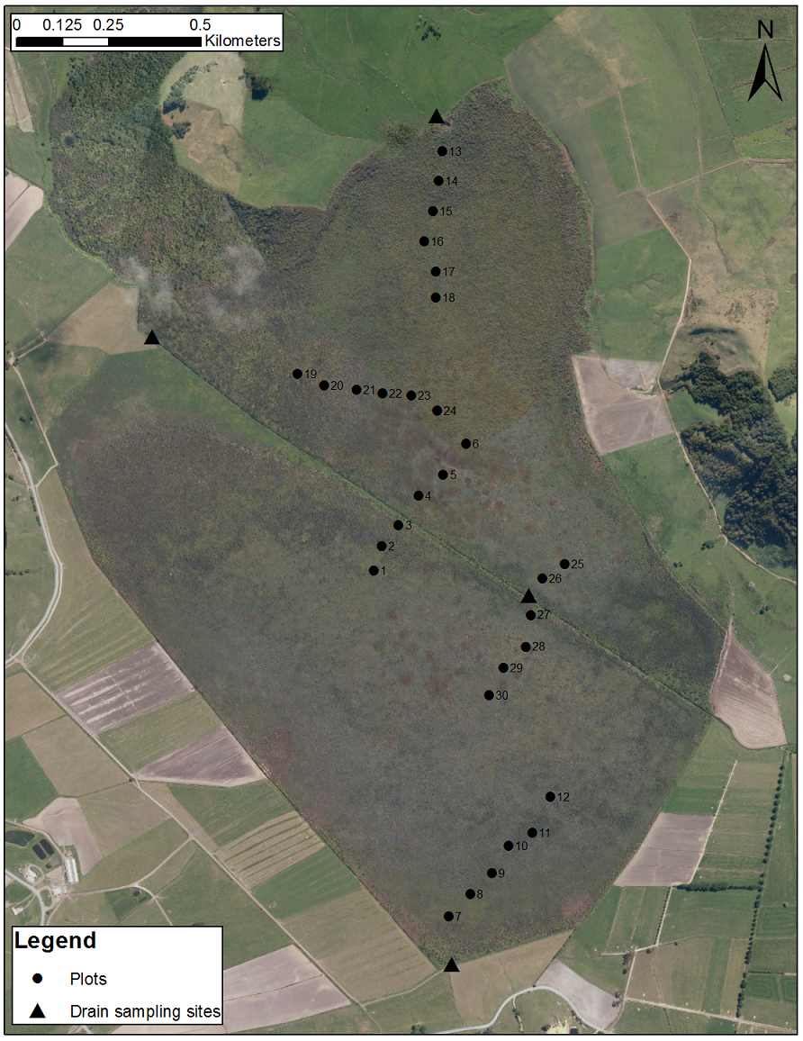
Transect | Location/target | Plot | Coordinates | Alternate coordinates
1 | Upper central drain | 1 | 35 35 56.80000 S 174 10 30.30000 E | 6059862.625 1706465.666
1 | Upper central drain | 2 | 35 35 54.90000 S 174 10 30.40000 E | 6059936.809 1706446.418
1 | Upper central drain | 3 | 35 35 53.60000 S 174 10 32.40000 E | 6059976.260 1706497.224
1 | Upper central drain | 4 | 35 35 50.80000 S 174 10 34.70000 E | 6060061.836 1706556.131
1 | Upper central drain | 5 | 35 35 49.20000 S 174 10 37.00000 E | 6060110.439 1706614.597
1 | Upper central drain | 6 | 35 35 46.40000 S 174 10 39.60000 E | 6060195.924 1706681.055
2 | Southern drain | 7 | 35 36 28.10000 S 174 10 38.30000 E | 6058911.551 1706632.971
2 | Southern drain | 8 | 35 36 26.10000 S 174 10 40.60000 E | 6058972.478 1706691.578
2 | Southern drain | 9 | 35 36 24.20000 S 174 10 42.90000 E | 6059030.324 1706750.149
2 | Southern drain | 10 | 35 36 21.80000 S 174 10 44.70000 E | 6059103.724 1706796.325
2 | Southern drain | 11 | 35 36 20.60000 S 174 10 47.20000 E | 6059139.942 1706859.671
2 | Southern drain | 12 | 35 36 17.40000 S 174 10 49.10000 E | 6059237.960 1706908.660
3 | Northern drain | 13 | 35 35 20.60000 S 174 10 36.60000 E | 6060991.715 1706615.067
3 | Northern drain | 14 | 35 35 23.20000 S 174 10 36.30000 E | 6060911.700 1706606.559
3 | Northern drain | 15 | 35 35 25.90000 S 174 10 35.70000 E | 6060828.695 1706590.465
3 | Northern drain | 16 | 35 35 28.60000 S 174 10 34.80000 E | 6060745.780 1706566.822
3 | Northern drain | 17 | 35 35 31.20000 S 174 10 36.10000 E | 6060665.284 1706598.580
3 | Northern drain | 18 | 35 35 33.50000 S 174 10 36.10000 E | 6060594.421 1706597.732
4 | Bush slope - North | 19 | 35 35 40.40000 S 174 10 21.30000 E | 6060386.280 1706222.753
4 | Bush slope - North | 20 | 35 35 41.40000 S 174 10 24.20000 E | 6060354.600 1706295.364
4 | Bush slope - North | 21 | 35 35 41.70000 S 174 10 27.70000 E | 6060344.307 1706383.330
4 | Bush slope - North | 22 | 35 35 42.00000 S 174 10 30.50000 E | 6060334.223 1706453.680
4 | Bush slope - North | 23 | 35 35 42.20000 S 174 10 33.60000 E | 6060327.130 1706531.617
4 | Bush slope - North | 24 | 35 35 43.50000 S 174 10 36.40000 E | 6060286.235 1706601.598
5 | Lower central drain | 25 | 35 35 56.90000 S 174 10 50.40000 E | 6059869.166 1706948.948
5 | Lower central drain | 26 | 35 35 58.20000 S 174 10 48.00000 E | 6059829.838 1706888.076
5 | Lower central drain | 27 | 35 36 01.40000 S 174 10 46.80000 E | 6059731.609 1706856.698
5 | Lower central drain | 28 | 35 36 04.20000 S 174 10 46.30000 E | 6059645.492 1706843.083
5 | Lower central drain | 29 | 35 36 06.10000 S 174 10 43.90000 E | 6059587.678 1706781.991
5 | Lower central drain | 30 | 35 36 08.50000 S 174 10 42.40000 E | 6059514.187 1706743.362

